Results
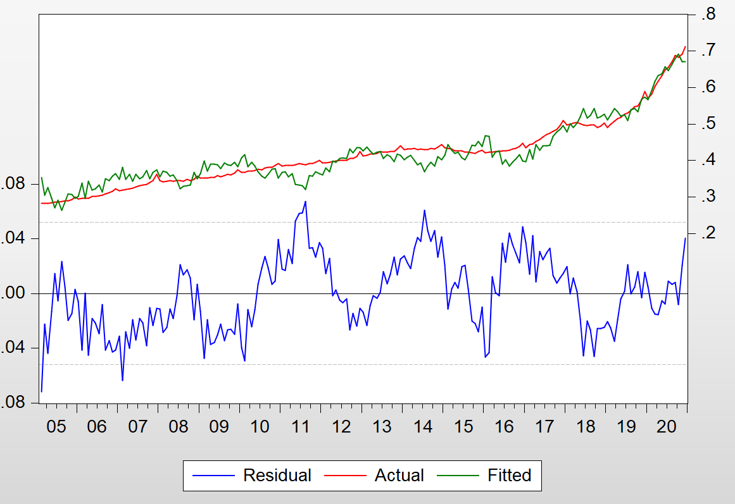
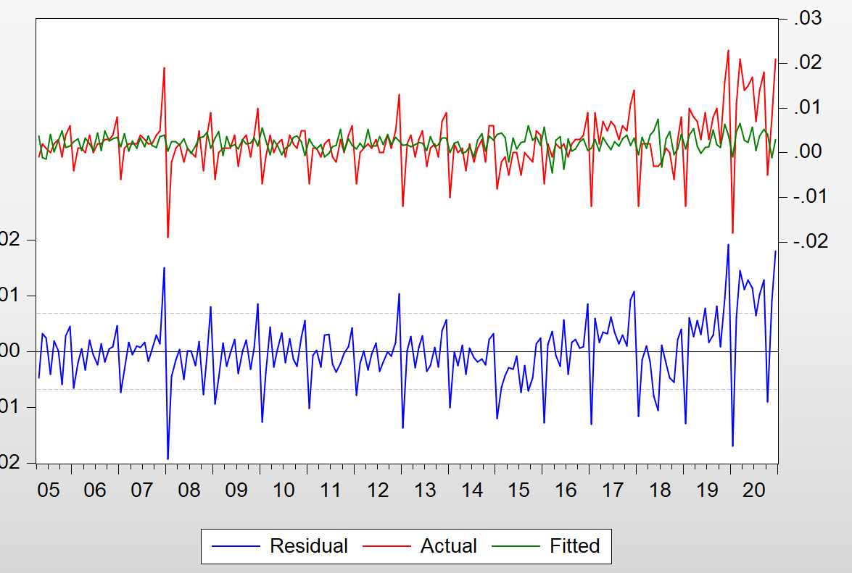
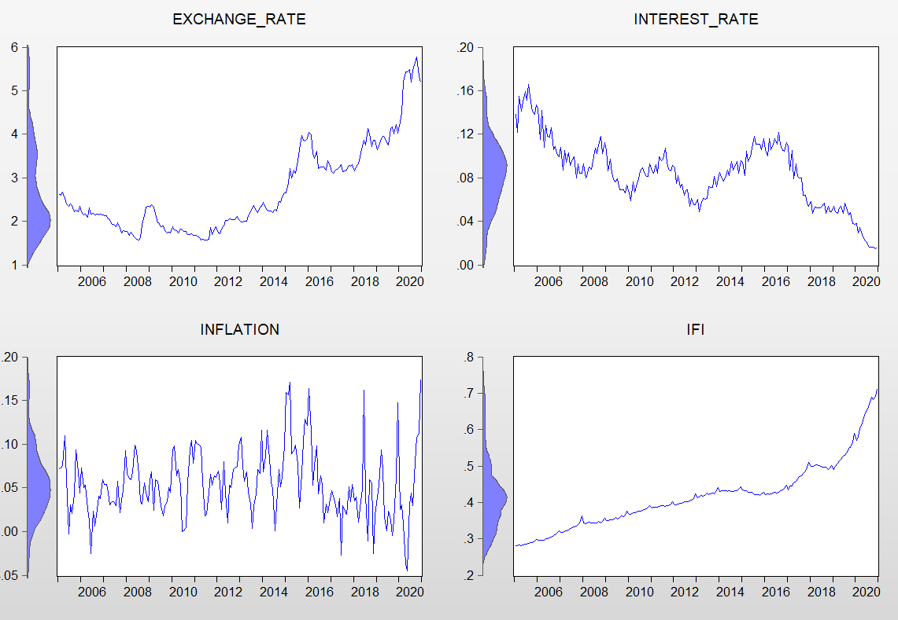

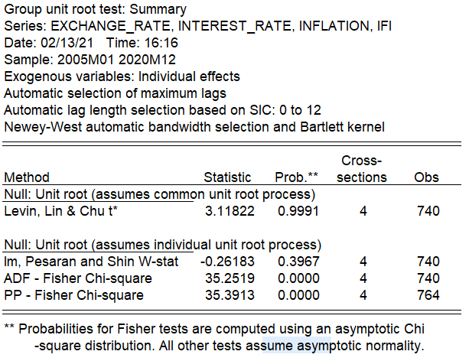
Group unit root test: Summary
Series: EXCHANGE_RATE, INTEREST_RATE, INFLATION, IFI
Date: 02/13/21 Time: 16:16
Sample: 2005M01 2020M12
Exogenous variables: Individual effects
Automatic selection of maximum lags
Automatic lag length selection based on SIC: 0 to 12
Newey-West automatic bandwidth selection and Bartlett kernel

 |  |  | Cross-
Method | Statistic | Prob.** | sections | Obs
Null: Unit root (assumes common unit root process)
Levin, Lin & Chu t* | 311,822 | 0.9991 | 4 | 740

Null: Unit root (assumes individual unit root process)
Im, Pesaran and Shin W-stat | -0.26183 | 0.3967 | 4 | 740
ADF - Fisher Chi-square | 352,519 | 0 | 4 | 740
PP - Fisher Chi-square | 353,913 | 0 | 4 | 764

** Probabilities for Fisher tests are computed using an asymptotic Chi
-square distribution. All other tests assume asymptotic normality.

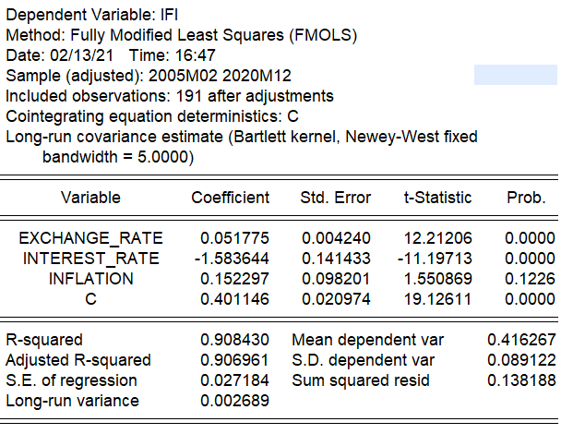
Dependent Variable: IFI
Method: Fully Modified Least Squares (FMOLS)
Date: 02/13/21 Time: 16:47
Sample (adjusted): 2005M02 2020M12
Included observations: 191 after adjustments
Cointegrating equation deterministics: C
Long-run covariance estimate (Bartlett kernel, Newey-West fixed
bandwidth = 5.0000)

Variable | Coefficient | Std. Error | t-Statistic | Prob.

EXCHANGE_RATE | 0.051775 | 0.00424 | 1,221,206 | 0
INTEREST_RATE | -1,583,644 | 0.141433 | -1,119,713 | 0
INFLATION | 0.152297 | 0.098201 | 1,550,869 | 0.1226
C | 0.401146 | 0.020974 | 1,912,611 | 0

R-squared | 0.90843 | Mean dependent var |  | 0.416267
Adjusted R-squared | 0.906961 | S.D. dependent var |  | 0.089122
S.E. of regression | 0.027184 | Sum squared resid |  | 0.138188
Long-run variance | 0.002689

Cointegration Test - Engle-Granger
Date: 02/13/21 Time: 17:04
Equation: UNTITLED
Specification: IFI EXCHANGE_RATE INTEREST_RATE INFLATION C
Cointegrating equation deterministics: C
Null hypothesis: Series are not cointegrated
Automatic lag specification (lag=12 based on Schwarz Info Criterion,
maxlag=14)

 |  | Value | Prob.*
Engle-Granger tau-statistic |  | -3,188,175 | 0.3284
Engle-Granger z-statistic |  | -7,982,967 | 0

*MacKinnon (1996) p-values.

Intermediate Results:
Rho - 1 |  | -0.152857
Rho S.E. |  | 0.047945
Residual variance |  | 0.000158
Long-run residual variance |  | 0.001342
Number of lags |  | 12
Number of observations |  | 179
Number of stochastic trends** |  | 4

**Number of stochastic trends in asymptotic distribution.

Engle-Granger Test Equation:
Dependent Variable: D(RESID)
Method: Least Squares
Date: 02/13/21 Time: 17:04
Sample (adjusted): 2006M02 2020M12
Included observations: 179 after adjustments

Variable | Coefficient | Std. Error | t-Statistic | Prob.

RESID(-1) | -0.152857 | 0.047945 | -3,188,175 | 0.0017
D(RESID(-1)) | -0.1996 | 0.079466 | -2,511,767 | 0.013
D(RESID(-2)) | 0.053954 | 0.079817 | 0.675974 | 0.5
D(RESID(-3)) | 0.220733 | 0.077187 | 2,859,719 | 0.0048
D(RESID(-4)) | 0.043069 | 0.078662 | 0.547516 | 0.5848
D(RESID(-5)) | 0.172544 | 0.077907 | 2,214,748 | 0.0281
D(RESID(-6)) | 0.050119 | 0.078883 | 0.635359 | 0.5261
D(RESID(-7)) | 0.10289 | 0.078063 | 1,318,029 | 0.1893
D(RESID(-8)) | 0.015121 | 0.077732 | 0.194529 | 0.846
D(RESID(-9)) | 0.048321 | 0.07582 | 0.637314 | 0.5248
D(RESID(-10)) | -0.158262 | 0.075168 | -2,105,444 | 0.0368
D(RESID(-11)) | -0.056709 | 0.075714 | -0.748984 | 0.4549
D(RESID(-12)) | 0.365074 | 0.07079 | 5,157,106 | 0

R-squared | 0.470925 | Mean dependent var |  | 0.000316
Adjusted R-squared | 0.432678 | S.D. dependent var |  | 0.016673
S.E. of regression | 0.012558 | Akaike info criterion |  | -5,847,079
Sum squared resid | 0.026178 | Schwarz criterion |  | -5,615,593
Log likelihood | 5,363,136 | Hannan-Quinn criter. |  | -5,753,213
Durbin-Watson stat | 1,941,863

Dependent Variable: D(IFI)
Method: Fully Modified Least Squares (FMOLS)
Date: 02/13/21 Time: 17:44
Sample (adjusted): 2005M04 2020M12
Included observations: 189 after adjustments
Cointegrating equation deterministics: C
Long-run covariance estimate (Bartlett kernel, Newey-West fixed
bandwidth = 5.0000)

Variable | Coefficient | Std. Error | t-Statistic | Prob.

D(EXCHANGE_RATE) | 0.008 | 0.003589 | 2,229,174 | 0.027
D(INFLATION) | 0.038408 | 0.014883 | 2,580,600 | 0.0106
D(INTEREST_RATE) | -0.088515 | 0.053843 | -1,643,948 | 0.1019
RESID01(-1) | -0.012306 | 0.019832 | -1 | 0.5357
C | 0.002025 | 0.000501 | 4,039,692 | 0.0001

R-squared | 0.072993 | Mean dependent var |  | 0.00227
Adjusted R-squared | 0.052841 | S.D. dependent var |  | 0.006134
S.E. of regression | 5.97E-03 | Sum squared resid |  | 0.006557
Long-run variance | 4.67E-05

